N
N Function
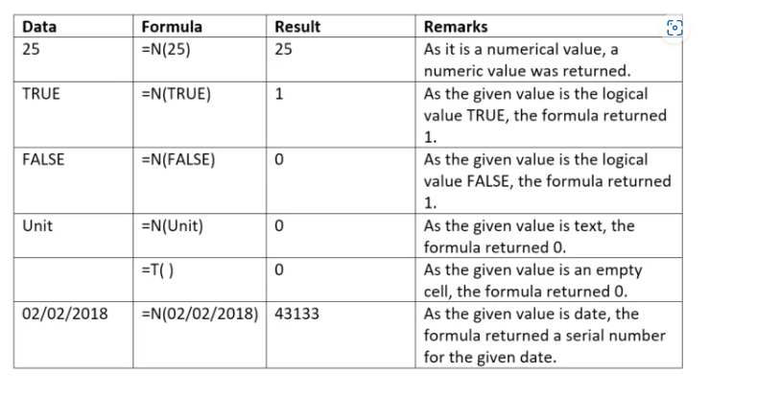
 |  | N Returns
Values | 11649
 | -7718
 | -15033
 | 18700.5

Date | 2017-03-21

Text | Hackrr

Boolean | TRUE
 | FALSE

Error | #N/A

